TRANS
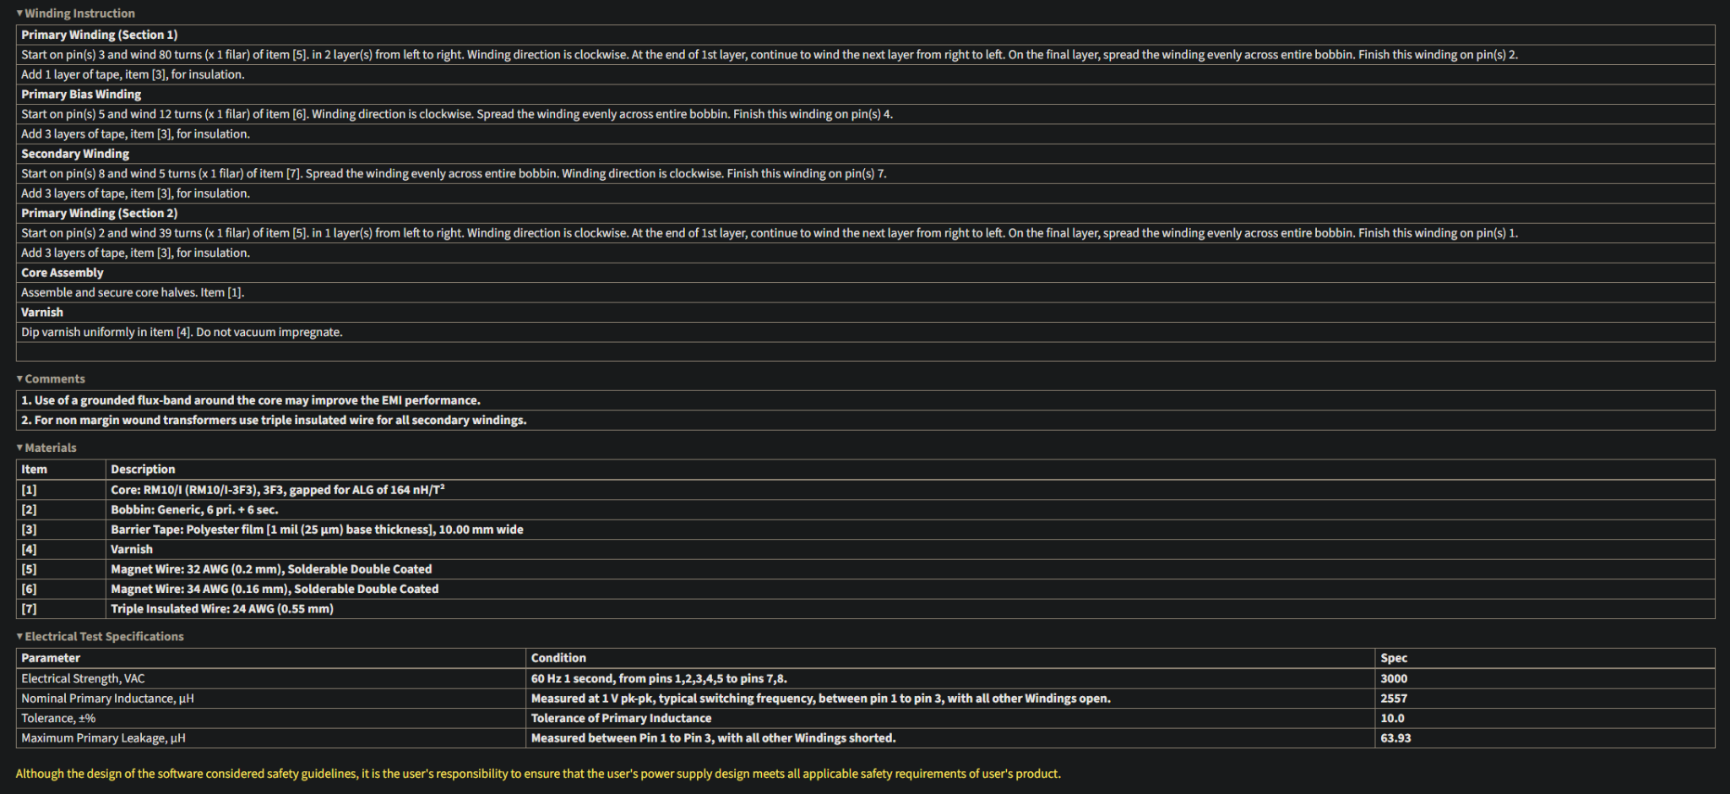
Item # | Quantity | Description | Specs / Notes | Supplier
 | 2 | Ferrite Core Halves | RM10/I-3F3, gapped to ALG = 114 nH/T² | https://www.tme.com/us/en-us/details/rm10_i-3f3/ferrite-cores/ferroxcube/
 |  |  | Ae = 96.6 mm², le = 44.6 mm, AL = 4050 nH
2 | 1 | Bobbin: CPV-RM10-1S-12PD (preferred) | Vertical, 6 pri. + 6 sec. pins, 10.00 mm winding width | https://www.digikey.com/en/products/detail/ferroxcube/CPV-RM10-I-1S-12PD-TZ/7034239
3 | 1 roll | Polyester Tape | 1 mil (25 µm) thick, 10 mm wide | https://kaptononline.com/products/kapton-tape-1-mil?variant=41892449026200
4 | Small qty | Varnish | Dip coat; do not vacuum impregnate | Amazon
5 | ~3 m | Magnet Wire 32 AWG (Primary) | 0.2 mm, double-coated, solderable | https://bntechgo.com/bntechgo-32-awg-magnet-wire-enameled-copper-wire-enameled-magnet-winding-wire-4-oz-0-0078-diameter-1-spool-coil-red-temperature-rating-155-degrees-celsius-widely-used-for-transformers-and-inductors/ | https://www.digikey.com/en/products/filter/magnet-wire/934?s=N4IgjCBcoOwBxVAYygMwIYBsDOBTANCAPZQDa4cAbAKxgCcIAuoQA4AuUIAymwE4CWAOwDmIAL5jClRCH4ATTgFowABgisOkECEJsAni1yd02FBKA | https://www.remingtonindustries.com/magnet-wire/magnet-wire-by-awg/magnet-wire-32-awg/?srsltid=AfmBOooLM9XLEkVQZr89UJq2eVBPMpFZFDoldvszldkZOJcs4nUfAX3q
6 | ~0.5 m | Magnet Wire 34 AWG (Bias) | 0.16 mm, double-coated, solderable | Remington
7 | ~0.5 m | Triple Insulated Wire 24 AWG (Secondary) | 0.55 mm diameter, safety insulation rating | Chinese Supplier
8 | ? | Air gap shims | Used Kapton 1mil
9 | ? | Margin tape | Split Kapton ___ mm wide
Source | Air Gap (g)
MATLAB | 0.349 mm
PI Expert | 1.035 mm

